1. Scatter plot
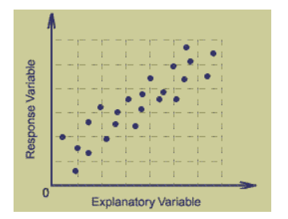
Scatter Plots: These are used to infer the relationship between 2 variables. Bivariate plot and between 2 continous variables
In statistics, the graphs are used very frequently in order to understand and interpret large number of data points. There are various graphs available in statistics, like - bar graph, histogram, pie chart, frequency polygon, cumulative frequency curve, stem and leaf plot, scatter plot etc. Each graph has its own importance. In this section, we shall learn about scatter plots.
Scatter plots show the relationship between two variables by displaying data points on a two-dimensional graph. In this type of graph, there are two separate variables(BI-VARIATE). The variable that might be measured, known as an explanatory variable, it is plotted on the X axis. Another variable, termed as a reply or response variable is plotted on the Y axis. Scatter plots are especially helpful when there is a large number of a data points and provides relationship between two variables. One gets an overall information about data with the help of scatter plot. It is also useful in explaining the correlation between two variables. In general, it seems as a bunch of points scattered over a range. It is useful in finding the range and spread of the data. A simple scatter plot looks as shown in the figure given below.
Scatter Plot Definition
A scatter plot or scatter plot graph is a graph which is drawn in Cartesian coordinate to visually represent the values for two variables for a set of data. It is a graphical representation that shows how one variable is affected by the other. The data is presented in the form of collection of points, each of which has one value of a variable positioned on the horizontal or x-axis, also called explanatory variable and the value of the other variable positioned on the vertical or y-axis, also called response variable. So it can be defined as a way of showing the relationship between any two variable by using data point on a two dimensional graph.
Use of Scatter Plot
The importance of scatter plot is that it helps to see how two comparable data sets will agree with each other. In such condition we use the identity line as a reference to plotting the rest of the points. The more the two data come in arrangement, the more the scatter tend to be near the vicinity of the identity line, if the two data sets are numerically same, the scatter and the identity line becomes exactly same.
Each data point denoted by a small circle in the graph. If the values on x-axis to increase as of y axis increase. This causes the formation of a scatter plot in which the points cluster together around an imaginary line which is moving from the lower left side of the graph to the upper right side. Hence a positive relationship can be seen between these two variables.
Inferences:
When there is a large number of data points, scatter plot comes very handy. They give emphases on the following factors:
Strength between the variable
Shape formed
Direction of association
Outliers
Range
Dispersion

2. Inter and Extra polation
Interpolation: It is the prediction of values within the given range of data. See Graph 1
Extrapolation: Prediction of data outside the given rangeof available data, it can be compared to the forecasting or prediction method. See Graph 2
Z

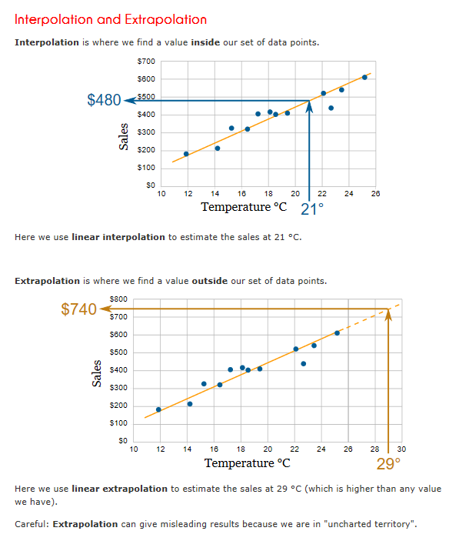
Prediction of future values that are in range of data.
You would need the Best fit line for predicting the future values.
X and Y seek fall in range of available data.

Prediction of future values that are in OUT of range of data.
You would need the Best fit line for predicting the future values and extrapolation.
X and Y seek DO NOT fall in range of available data.

3. Python scatter plot code
The data points are less and the conclusion can not be drawn. However still it gives a sense of the data direction.
Matplotlib is used for plotting the scatter plot, plt.scatter is used for plotting the scatter plot.
Refer notes for scatter plot by Seaborn library :)
Module: Module is a file which contains various Python functions and also global variables. It is simply just .py extension file which has python executable code. This is similar to import amit_func as am.
Library/Package: On the other hand , Package is nothing but a collection of modules. It must contains __init__.py file to let the python interpreter know this is not just simple directory but a collection of modules or package. Basically you don’t have to write anything in __init__.py file but must be there in the module directory.
import matplotlib.pyplot as plt
plt.scatter(x,y,c="Red")
matplotlib is a library or a package
pyplot is a module(collection of functions)
scatter is a function that takes 3 arguments and it is available in the module pyplot

#The below code shows how to plot between x and y and create a scatter plot for admit data import pandas as pd import matplotlib.pyplot as plt #Reading the csv to a dataframe df=pd.read_csv('admit.csv') # Plottting scatter using the scatter function from matplotlib, the Age is now x and Height is Y plt.scatter(df.Age, df.Height,c="Red") plt.title('Scatter plot age and height') plt.xlabel('Age in years') plt.ylabel('Height in cms') # This helps to show the current graph, if we dont use it, graph still comes with the last command in output as well. plt.show()

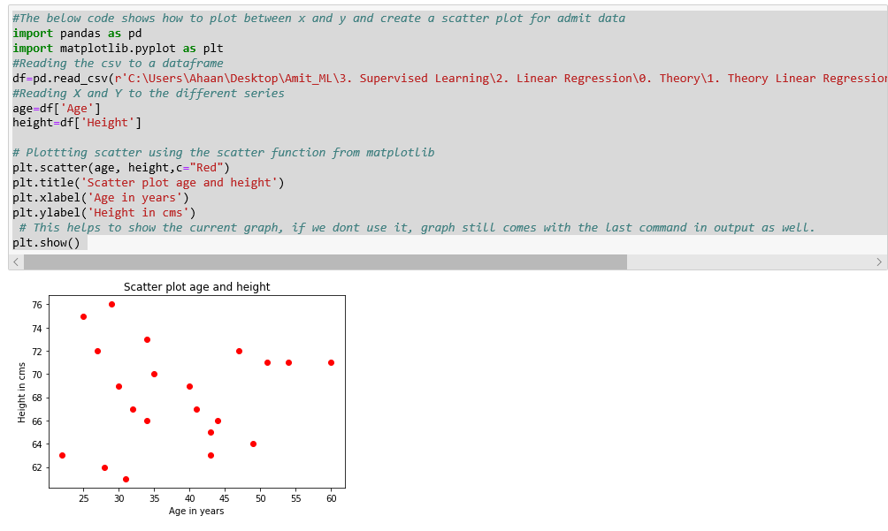

Please Refer to the code in the next Folder

4. Linear scatter plot Example
The below scatter plot shows that the relation in exp and sal is linear and very strong in the positive or upward direction.
# The below code shows how to plot between x and y and create a scatter plot for salary data import pandas as pd import matplotlib.pyplot as plt #Reading the csv to a dataframe df=pd.read_csv('salary.csv') #Reading X and Y to the different series year=df['YearsExperience'].values sal=df['Salary'].values # Plottting scatter using the scatter function from matplotlib plt.scatter(year, sal, c="green") plt.title('Scatter plot of years and Salary') plt.xlabel('Exp in years') plt.ylabel('Sal in $') plt.show()
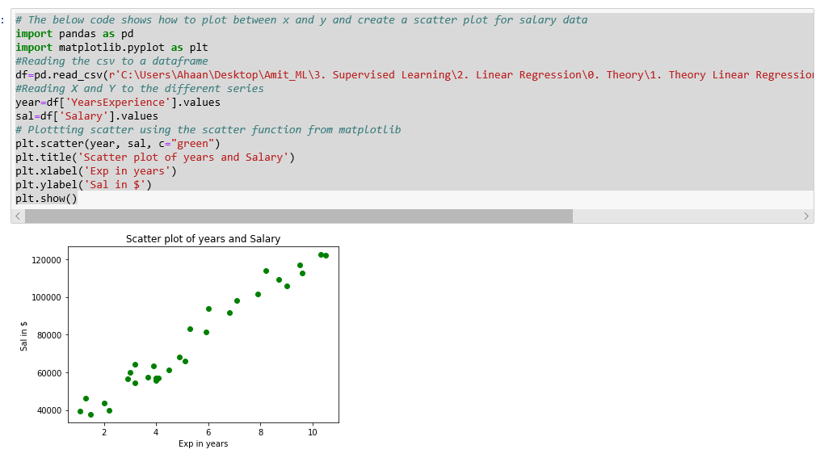

Please Refer to the code in the next Folder

5. Seaborn and scatter plot
The seaborn scater plot for the relationship in x and y.
# Regression plot using Seaborn library, regplot helps in creating a beautiful graph in 2 dimenson # The Regression line that comes by default can be avoided by using fit_reg=False import seaborn as sb import pandas as pd df =pd.read_csv('admit.csv') # use the function regplot to make a scatterplot with x and y series, fit_reg=False would not give Identity line sb.regplot(x=df["Age"], y=df["Height"], fit_reg=False)

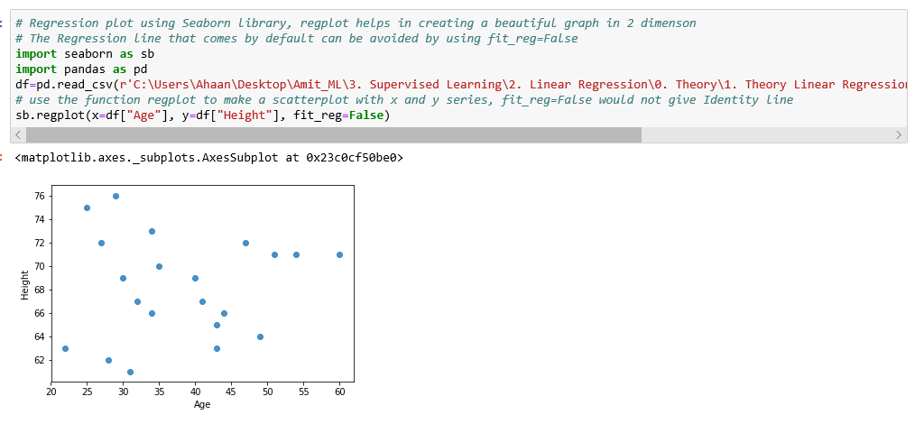

Please Refer to the code in the next Folder

6. Seaborn scatter Reg line
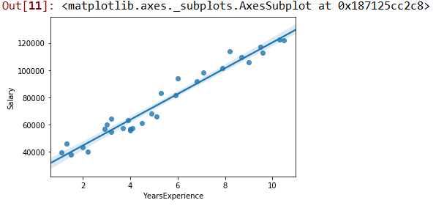
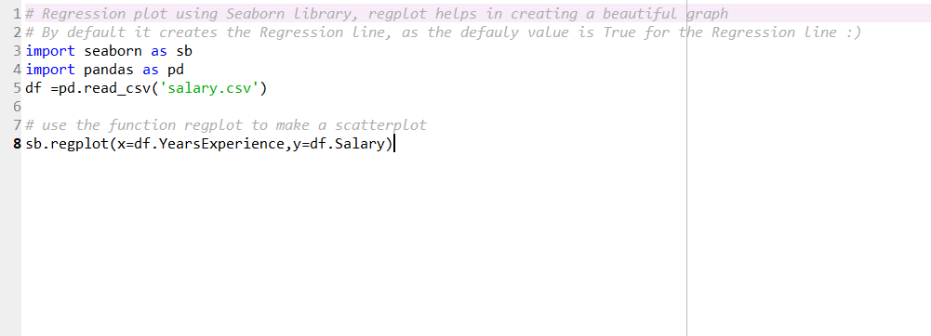
The Regplot help to see the identity line and the scatter plot at the same time.
# Regression plot using Seaborn library, regplot helps in creating a beautiful graph # By default it creates the Regression line import seaborn as sb import pandas as pd df =pd.read_csv('admit.csv') # use the function regplot to make a scatterplot sb.regplot(x=df["Age"], y=df["Height"])

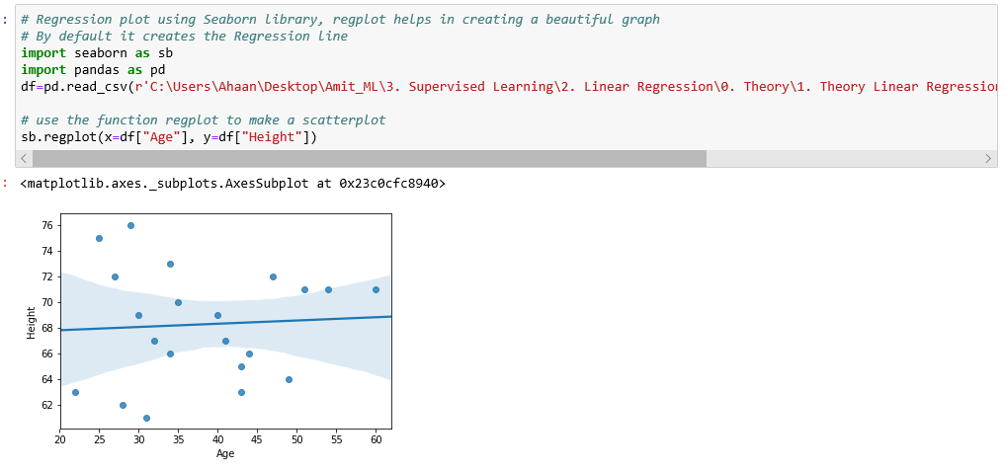

Please Refer to the code in the next Folder

